Sheet1
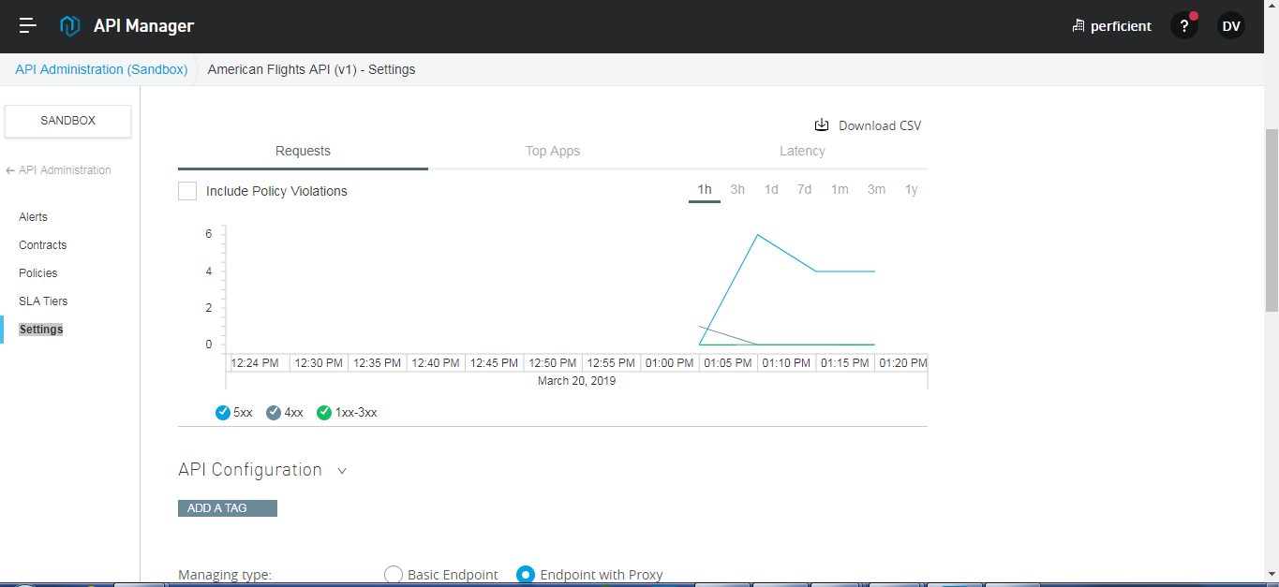
Creating and Deploying API Proxy

